Comparable Deals
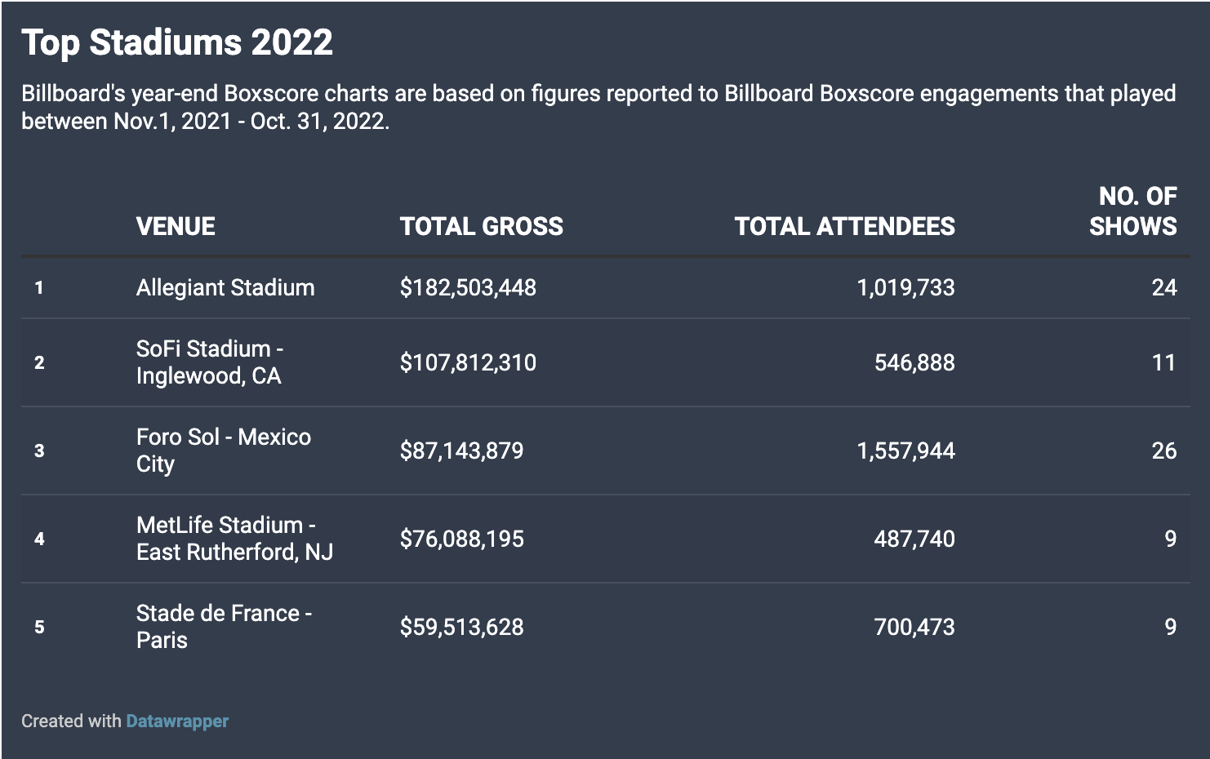
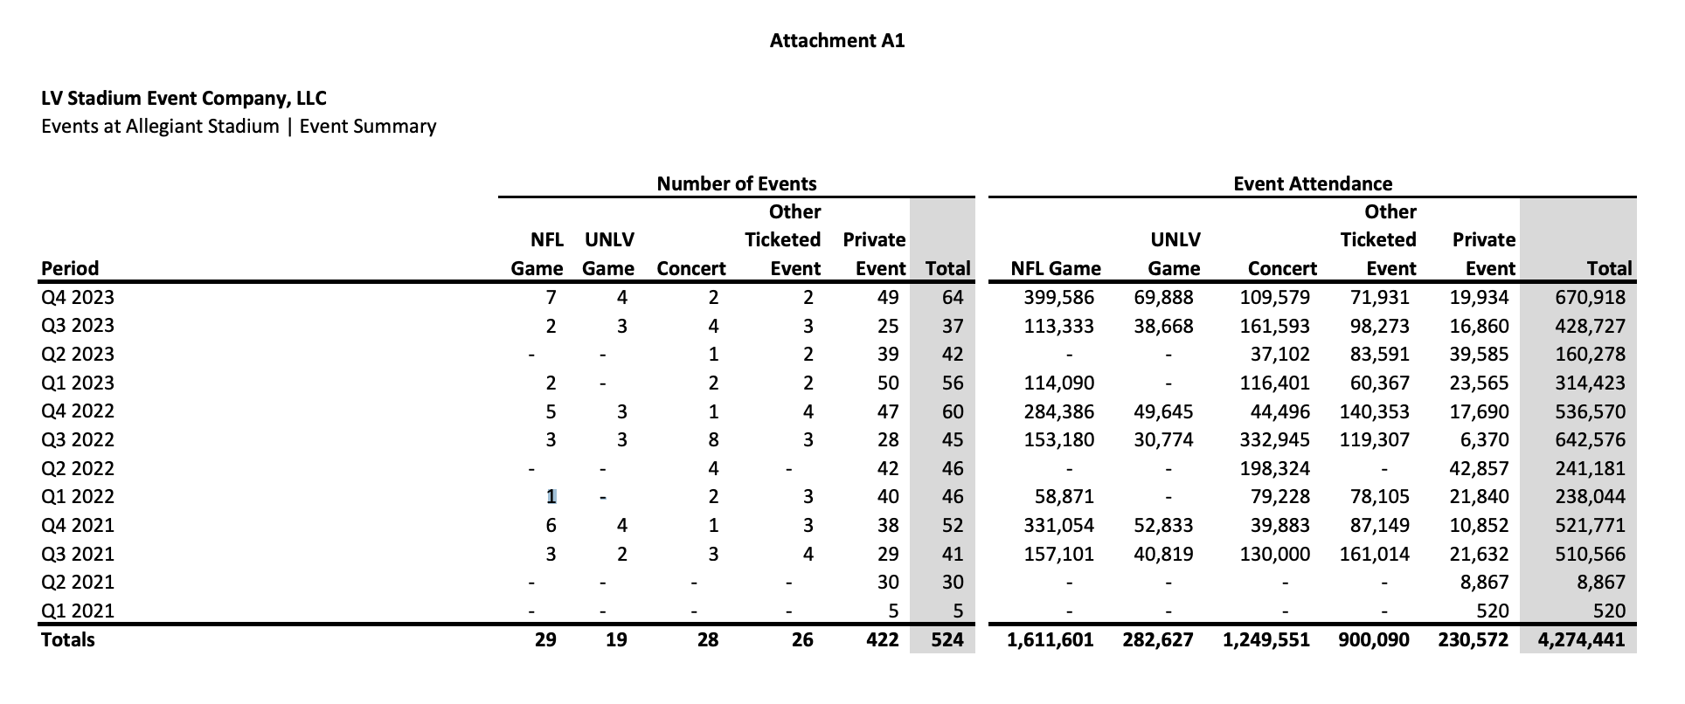
Allegiant Stadium |  | Average Attendee Value (All Events) |  | Average NFL Attendee Value |  |  | Allegiant Stadium
Stadium Size | 72,000.00 | Allegiant | 12.38 | Allegiant | 36.65
Total Sponsorship Value | 600,000,000.00 | Sofi | 14.73 | Sofi | 29.45
Term Length | 30.00 | US Bank | 9.17 | US Bank | 19.88
Annual Sponsorship Value | 20,000,000.00 | Levis | 19.54 | Levis | 32.75
Yearly NFL Games | 8.00 | MetLife | 6.40 | MetLife | 12.79
Max Capcity NFL Value per Attendee | 34.72 | Average | 12.44 | Average | 26.31
90% Capacity NFL Value per Attendee | 38.58

2022 Total Attendance | 1,658,371.00
2023 Total Attendance | 1,574,346.00
2022 Per Attendee Value | 12.06
2023 Per Attendee Value | 12.70

US Bank Stadium
Stadium Size | 73,000.00
Total Sponsorship Value | 220,000,000.00
Term Length | 20.00
Annual Sponsorship Value | 11,000,000.00 |  |  |  |  |  | US Bank Stadium
Yearly Games | 8.00 |  |  |  |  | https://www.8newsnow.com/community/vegas-nye/these-are-the-most-profitable-venues-of-2022/
Max Capcity NFL Value per Attendee | 18.84
90% Capacity NFL Value per Attendee | 20.93

2022 Total Attendance | 1,120,612.00
2023 Total Attendance | 1,291,050.00
2022 Per Attendee Value | 9.82
2023 Per Attendee Value | 8.52 |  |  |  |  |  | https://www.lrl.mn.gov/docs/2024/mandated/240049.pdf

Levi Stadium
Stadium Size | 68,500.00
Total Sponsorship Value | 170,000,000.00
Term Length | 10.00
Annual Sponsorship Value | 17,000,000.00
Yearly Games | 8.00
Max Capcity NFL Value per Attendee | 31.02
90% Capacity NFL Value per Attendee | 34.47
 |  |  |  |  |  |  | https://msfa.com/df-data/files/Curtis/2022%20Legislative%20Report.pdf
2014-2023 Total Attendance | 8,700,000.00
Avg Annual Attendance | 870,000.00
Avg Per Attendee Value | 19.54

SoFi Stadium
Stadium Size | 70,000.00
Total Sponsorship Value | 625,000,000.00
Term Length | 20.00
Annual Sponsorship Value | 31,250,000.00
Yearly Games | 16.00
Max Capcity NFL Value per Attendee | 27.90
90% Capacity NFL Value per Attendee | 31.00

MetLife
Stadium Size | 82,500.00
Total Sponsorship Value | 400,000,000.00
Term Length | 25.00
Annual Sponsorship Value | 16,000,000.00
Yearly Games | 16.00
Max Capcity NFL Value per Attendee | 12.12
90% Capacity NFL Value per Attendee | 13.47

